v3 (PT1 - the end)
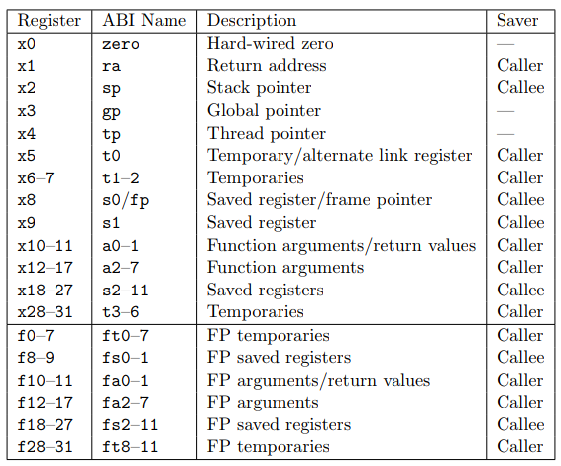
Address | Hex Instruction | Bin Instruction | funct7 | funct3 | opcode | function type | mne | rd | rs1 | rs2 | imm
0 | 00050893 | 00000000000001010000100010010011 | - | 000 | 0010011 | I | addi | a7 | a0 | - | 0x00
4 | 00068513 | 00000000000001101000010100010011 | - | 000 | 0010011 | I | addi | a0 | a3 | - | 0x00
8 | 04088063 | 00000100000010001000000001100011 | - | 000 | 1100011 | SB | beq | - | a7 | zero | 0x40
C | 04058263 | 00000100000001011000001001100011 | - | 000 | 1100011 | SB | beq | - | a1 | zero | 0x44
10 | 04060063 | 00000100000001100000000001100011 | - | 000 | 1100011 | SB | beq | - | a2 | zero | 0x40
14 | 04d05063 | 00000100110100000101000001100011 | - | 101 | 1100011 | SB | bge | - | zero | a3 | 0x40
18 | 00088793 | 00000000000010001000011110010011 | - | 000 | 0010011 | I | addi | a5 | a7 | - | 0x00
1C | 00269713 | 00000000001001101001011100010011 | - | 001 | 0010011 | I | slli | a4 | a3 | - | 0x02
20 | 00e888b3 | 00000000111010001000100010110011 | 0000000 | 000 | 0110011 | R | add | a7 | a7 | a4 | -
24 | 0007a703 | 00000000000001111010011100000011 | - | 010 | 0000011 | I | lw | a4 | a5 | - | 0x00
28 | 0005a803 | 00000000000001011010100000000011 | - | 010 | 0000011 | I | lw | a6 | a1 | - | 0x00
2C | 01070733 | 00000001000001110000011100110011 | 0000000 | 000 | 0110011 | R | add | a4 | a4 | a6 | -
30 | 00e62023 | 00000000111001100010000000100011 | - | 010 | 0100011 | S | sw | - | a2 | a4 | 0x00
34 | 00478793 | 00000000010001111000011110010011 | - | 000 | 0010011 | I | addi | a5 | a5 | - | 0x04
38 | 00458593 | 00000000010001011000010110010011 | - | 000 | 0010011 | I | addi | a1 | a1 | - | 0x04
3C | 00460613 | 00000000010001100000011000010011 | - | 000 | 0010011 | I | addi | a2 | a2 | - | 0x04
40 | ff1792e3 | 11111111000101111001001011100011 | - | 001 | 1100011 | SB | bne | - | a5 | a7 | 0x1fe4
44 | 00008067 | 00000000000000001000000001100111 | - | 000 | 1100111 | I | jalr | zero | ra | - | 0x00
48 | fff00513 | 11111111111100000000010100010011 | - | 000 | 0010011 | I | addi | a0 | zero | - | 0xfff
4C | 00008067 | 00000000000000001000000001100111 | - | 000 | 1100111 | I | jalr | zero | ra | - | 0x00
50 | fff00513 | 11111111111100000000010100010011 | - | 000 | 0010011 | I | addi | a0 | zero | - | 0xfff
54 | 00008067 | 00000000000000001000000001100111 | - | 000 | 1100111 | I | jalr | zero | ra | - | 0x00

